Instr
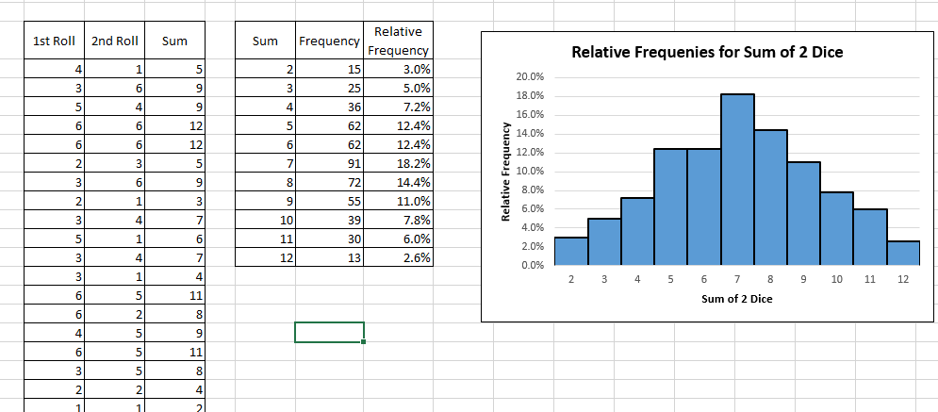
On the following sheet, you will create a simulation for finding the probabilities of the outcomes of rolling 2 dice.
The final product is shown as an image below.

Here are some things your work should include:
1) At least 500 occurances of "2 dice rolls"
2) The ability to regenerate the entire simulation instantly
3) Use Countif
4) Use "$" to lock a formula before dragging it down.
5) Calculate Relative Frequency. Format it as percentages.
5) Insert a histogram of the sums and their relative frequencies
6) If you have time, make the histogram look nice.

